Datailed Inquiry Information
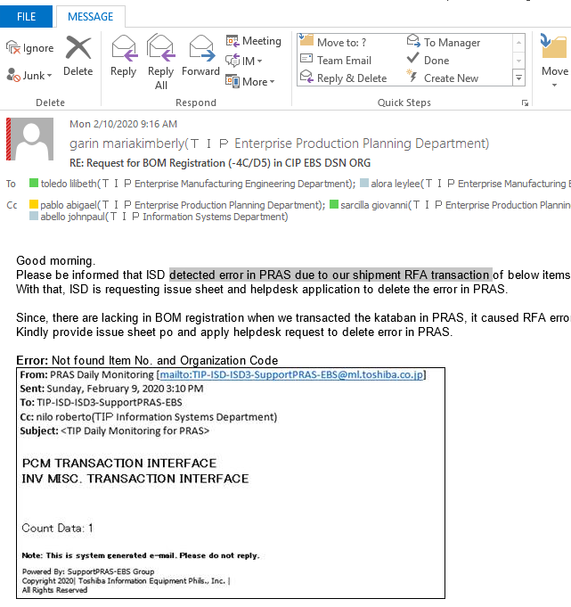
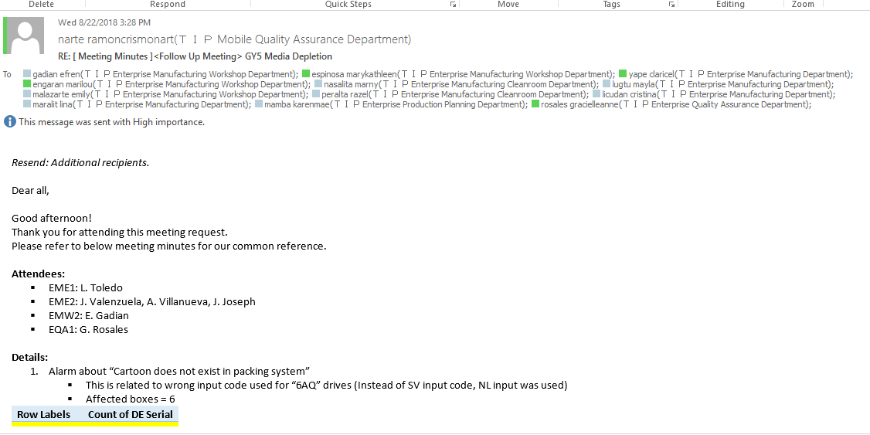
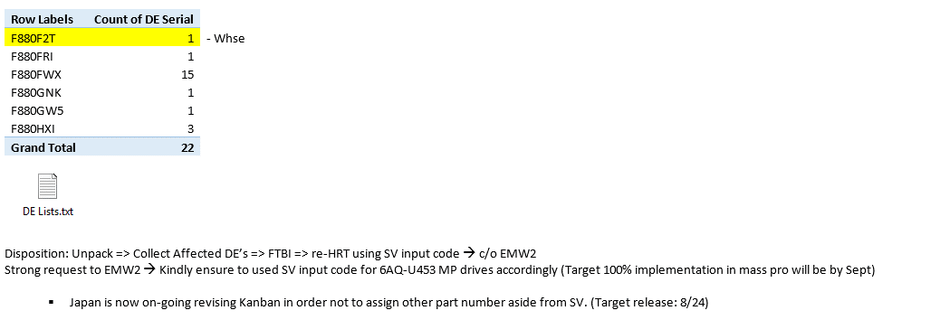
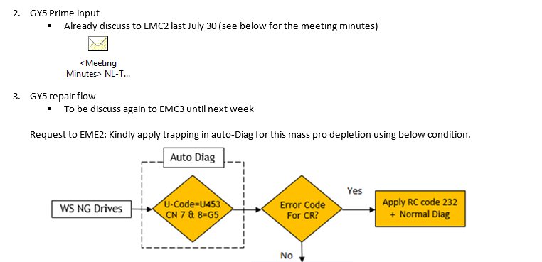
Detailed Inquiry Information

 | PLEASE PROVIDE EVIDENCE OF REQUEST / DETAILS OF REQUEST HERE (IN DETAIL).

Actual Operation Evidence
Actual Operation Evidence

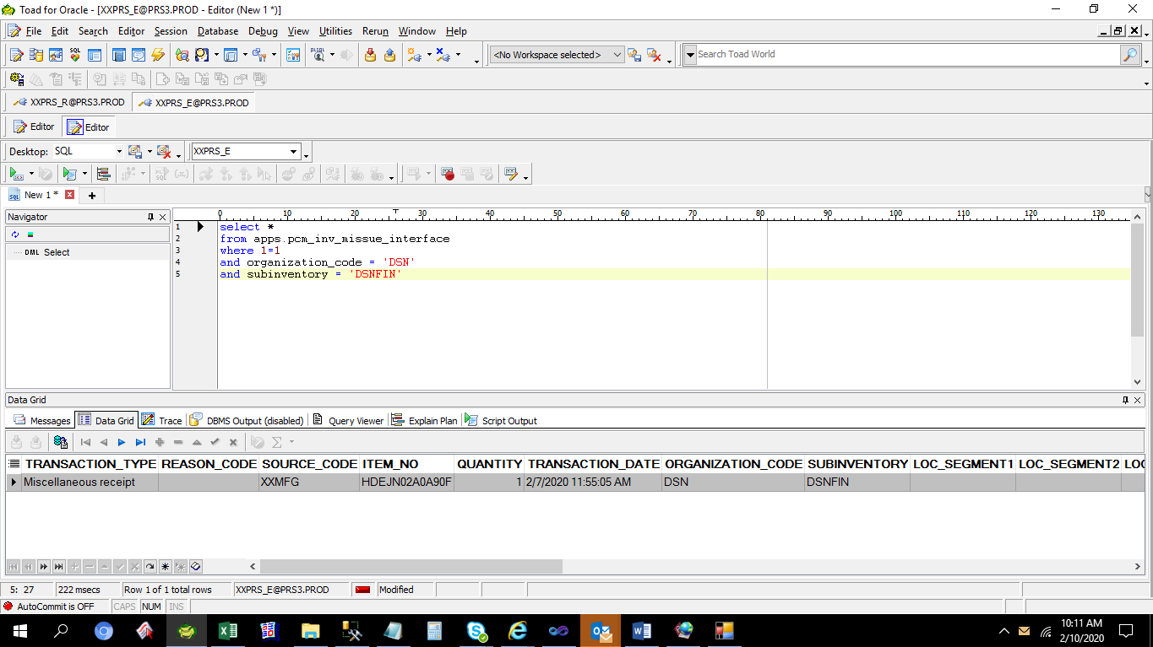

 | TRANSACTION_TYPE | REASON_CODE | SOURCE_CODE | ITEM_NO | QUANTITY | TRANSACTION_DATE | ORGANIZATION_CODE | SUBINVENTORY | LOC_SEGMENT1 | LOC_SEGMENT2 | LOC_SEGMENT3 | ATTRIBUTE1 | ATTRIBUTE2 | ATTRIBUTE3 | ATTRIBUTE4 | ATTRIBUTE5 | ATTRIBUTE6 | ATTRIBUTE7 | ATTRIBUTE8 | ATTRIBUTE9 | ATTRIBUTE10 | ATTRIBUTE11 | ATTRIBUTE12 | ATTRIBUTE13 | ATTRIBUTE14 | ATTRIBUTE15 | CREATION_DATE | PROCESS_FLAG | ERROR_MESSAGE | CREATED_BY | TRANSACTION_SOURCE_CODE
 | Miscellaneous receipt |  | XXMFG | HDEJN02A0A90F | 1 | 2/7/20 | DSN | DSNFIN |  |  |  |  |  |  |  |  |  |  |  |  |  |  |  |  |  |  | 2/7/20 | 3 | Not found Item No. and Organization Code |  | DSN0556641

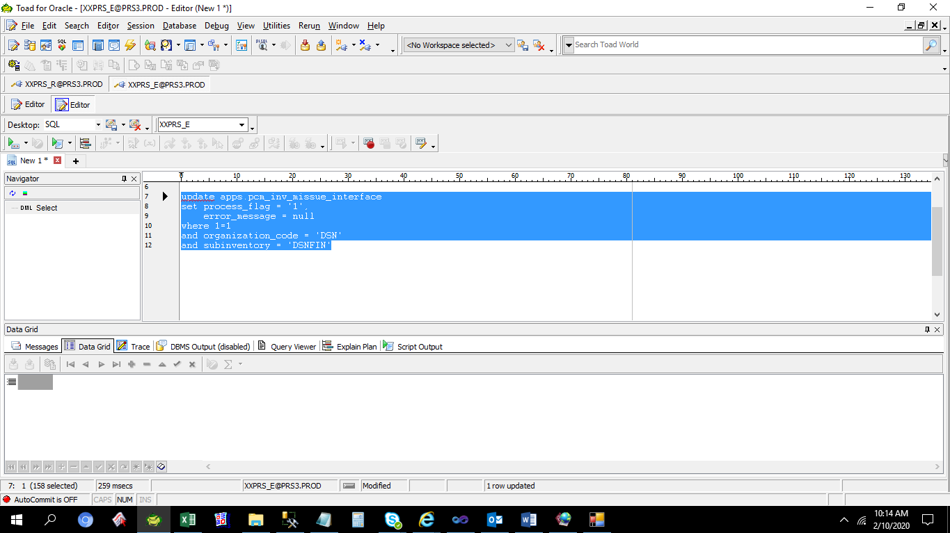

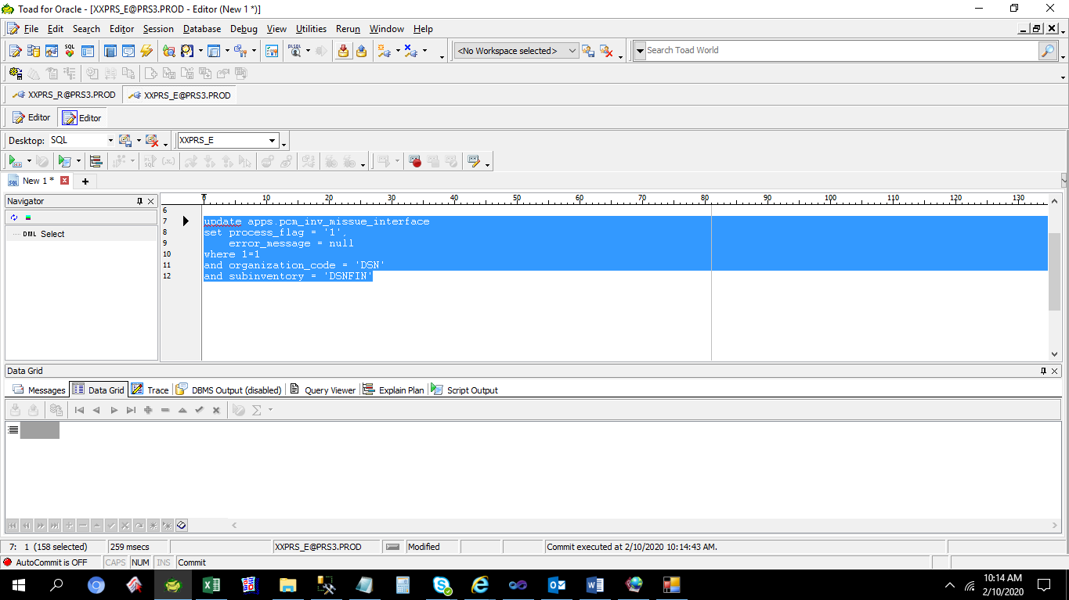

 | TRANSACTION_TYPE | REASON_CODE | SOURCE_CODE | ITEM_NO | QUANTITY | TRANSACTION_DATE | ORGANIZATION_CODE | SUBINVENTORY | LOC_SEGMENT1 | LOC_SEGMENT2 | LOC_SEGMENT3 | ATTRIBUTE1 | ATTRIBUTE2 | ATTRIBUTE3 | ATTRIBUTE4 | ATTRIBUTE5 | ATTRIBUTE6 | ATTRIBUTE7 | ATTRIBUTE8 | ATTRIBUTE9 | ATTRIBUTE10 | ATTRIBUTE11 | ATTRIBUTE12 | ATTRIBUTE13 | ATTRIBUTE14 | ATTRIBUTE15 | CREATION_DATE | PROCESS_FLAG | ERROR_MESSAGE | CREATED_BY | TRANSACTION_SOURCE_CODE
 | Miscellaneous receipt |  | XXMFG | HDEJN02A0A90F | 1 | 2/7/20 | DSN | DSNFIN |  |  |  |  |  |  |  |  |  |  |  |  |  |  |  |  |  |  | 2/7/20 | 1 |  |  | DSN0556641

Helpdesk Request
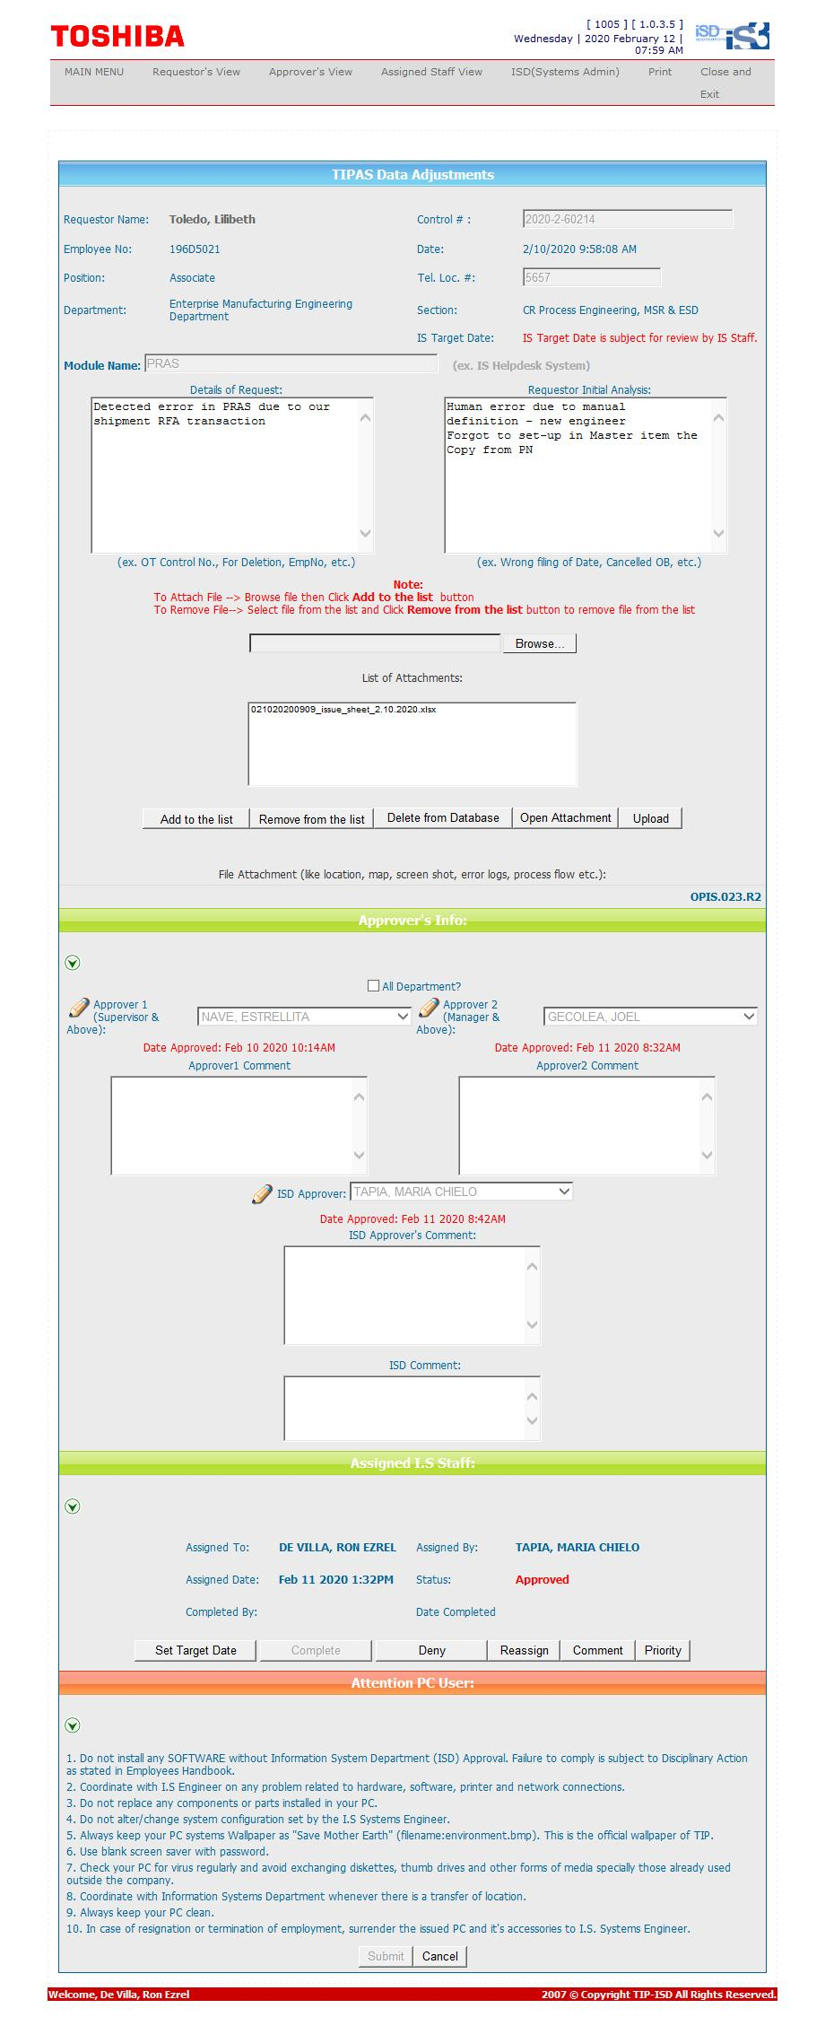
Helpdesk Request

 | ATTACH SCREENSHOT OF HELPDESK REQUEST.

